Introduction
Workday Deployment Training Planner

OVERVIEW
This Training Planner is designed for customers implementing Workday HCM, Financial Management, Payroll, or Student in a
majority of deployment scenarios. See below for more details on how to use this planner to find recommended training.

We recommend the Getting Started with Workday complimentary course for all learners who are new to the Workday platform and training.

The credit-based courses recommended in this planner are intended for customer administrator and IT teams
that are responsible for system configuration and maintenance.

Adaptive Planning administrators should review the Adaptive Planning Training page in Community for more training details.

For all other learners, visit the Workday in Action video series in Community for additional training at no cost.

The courses included as part of the base product scope cover critical path and may not represent all recommended training.

Based on project scope, budget, support model, or timing, additional courses and training credits may be needed. These recommendations
can be viewed by answering "Yes" in the Additional Courses dropdown selection.

Only yellow cells allow for free text inputs. Editing other columns may impact formulas and course or credit details.

Training Timeline
Deployment Training Timeline

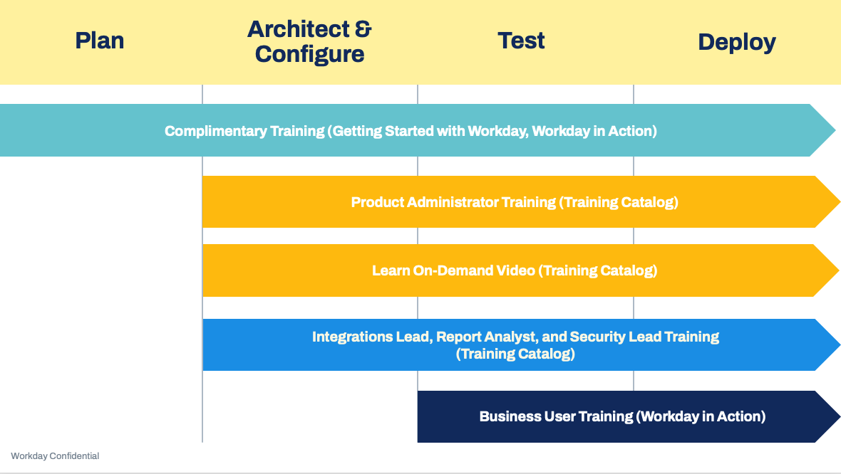
Review the Deployment Training Timeline and considerations by role:
IMPORTANT: Consult your Partner or Workday Engagement Manager to confirm the most appropriate training timeline for your project.

 | Getting Started with Workday:
 | Getting Started with Workday is a self-directed, complimentary course offering that covers
 | foundational Workday concepts. Topics include navigation, organizations, reporting, and
 | business processes. We recommend anyone involved in the deployment project enroll in this
 | whether they only need an overview of Workday or will continue onto more complex training.

 | Product Administrators:
 | For many customers, deployments include detailed design discussions up front.
 | To partner on the best design, customer Administrators need to have a solid
 | understanding of what options are possible in Workday, and how to configure
 | those options. Because of this, we recommend that customers take product administrator
 | training---such as HCM Core for Administrators or Financial Management for Administrators
 | during the early stages of the project.

 | Integrations Lead, Report Analyst, and Security Leads:
 | Also following the Plan stage, we recommend that customers focus on system tools
 | training. These courses tend to be much more technical, and focused on configuration
 | details that would apply regardless of the products being deployed. This training could
 | include Workday Reporting, Security for Administrators, or Creating and Securing
 | Integrations. For roles that only need a baseline level of knowledge in these topics,
 | we recommend the Workday Platform for Administrators course. Since customers won't
 | be hands-on in the system until later in the project, we don't recommend taking too early.

 | Business Users and all Employees:
 | As customers move closer to go-live during the Test phase, it's likely that they'll want
 | to train the people who will be using the system from a day-to-day transactional
 | standpoint, as well as those who will be involved in testing. To assist with that transition,
 | the Workday in Action video series is the perfect training to enable customer
 | business users and project team on how to use the system and process transactions---
 | ultimately leading to successful testing and rollout.
WEMG to update timeline or get editable version I can update

